Data
Start Time | Stop Time | Number of alarms | Alarms/min | % | Number of alarms | 261 |  | Max alarm rate | 18 | / 10min
31/10/2023 12:00 | 31/10/2023 12:10 | 3 | 0.30 | 1.15% | Average alarm rate during steady state | 0.69 | / 10min
31/10/2023 12:10 | 31/10/2023 12:20 | 5 | 0.50 | 1.92%
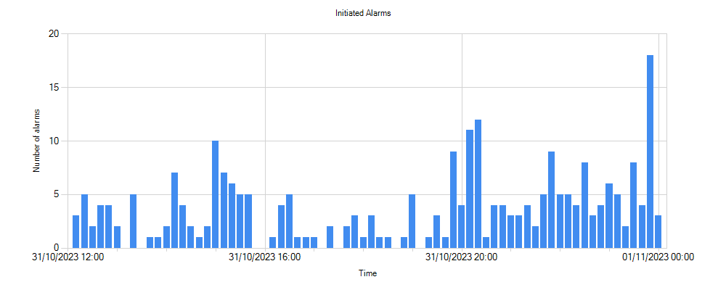
31/10/2023 12:20 | 31/10/2023 12:30 | 2 | 0.20 | 0.77%
31/10/2023 12:30 | 31/10/2023 12:40 | 4 | 0.40 | 1.53%
31/10/2023 12:40 | 31/10/2023 12:50 | 4 | 0.40 | 1.53%
31/10/2023 12:50 | 31/10/2023 13:00 | 2 | 0.20 | 0.77%
31/10/2023 13:00 | 31/10/2023 13:10 | 0 | 0.00 | 0.00%
31/10/2023 13:10 | 31/10/2023 13:20 | 5 | 0.50 | 1.92%
31/10/2023 13:20 | 31/10/2023 13:30 | 0 | 0.00 | 0.00%
31/10/2023 13:30 | 31/10/2023 13:40 | 1 | 0.10 | 0.38%
31/10/2023 13:40 | 31/10/2023 13:50 | 1 | 0.10 | 0.38%
31/10/2023 13:50 | 31/10/2023 14:00 | 2 | 0.20 | 0.77%
31/10/2023 14:00 | 31/10/2023 14:10 | 7 | 0.70 | 2.68%
31/10/2023 14:10 | 31/10/2023 14:20 | 4 | 0.40 | 1.53%
31/10/2023 14:20 | 31/10/2023 14:30 | 2 | 0.20 | 0.77%
31/10/2023 14:30 | 31/10/2023 14:40 | 1 | 0.10 | 0.38%
31/10/2023 14:40 | 31/10/2023 14:50 | 2 | 0.20 | 0.77%
31/10/2023 14:50 | 31/10/2023 15:00 | 10 | 1.00 | 3.83%
31/10/2023 15:00 | 31/10/2023 15:10 | 7 | 0.70 | 2.68%
31/10/2023 15:10 | 31/10/2023 15:20 | 6 | 0.60 | 2.30%
31/10/2023 15:20 | 31/10/2023 15:30 | 5 | 0.50 | 1.92%
31/10/2023 15:30 | 31/10/2023 15:40 | 5 | 0.50 | 1.92%
31/10/2023 15:40 | 31/10/2023 15:50 | 0 | 0.00 | 0.00%
31/10/2023 15:50 | 31/10/2023 16:00 | 0 | 0.00 | 0.00%
31/10/2023 16:00 | 31/10/2023 16:10 | 1 | 0.10 | 0.38%
31/10/2023 16:10 | 31/10/2023 16:20 | 4 | 0.40 | 1.53%
31/10/2023 16:20 | 31/10/2023 16:30 | 5 | 0.50 | 1.92%
31/10/2023 16:30 | 31/10/2023 16:40 | 1 | 0.10 | 0.38%
31/10/2023 16:40 | 31/10/2023 16:50 | 1 | 0.10 | 0.38%
31/10/2023 16:50 | 31/10/2023 17:00 | 1 | 0.10 | 0.38%
31/10/2023 17:00 | 31/10/2023 17:10 | 0 | 0.00 | 0.00%
31/10/2023 17:10 | 31/10/2023 17:20 | 2 | 0.20 | 0.77%
31/10/2023 17:20 | 31/10/2023 17:30 | 0 | 0.00 | 0.00%
31/10/2023 17:30 | 31/10/2023 17:40 | 2 | 0.20 | 0.77%
31/10/2023 17:40 | 31/10/2023 17:50 | 3 | 0.30 | 1.15%
31/10/2023 17:50 | 31/10/2023 18:00 | 1 | 0.10 | 0.38%
31/10/2023 18:00 | 31/10/2023 18:10 | 3 | 0.30 | 1.15%
31/10/2023 18:10 | 31/10/2023 18:20 | 1 | 0.10 | 0.38%
31/10/2023 18:20 | 31/10/2023 18:30 | 1 | 0.10 | 0.38%
31/10/2023 18:30 | 31/10/2023 18:40 | 0 | 0.00 | 0.00%
31/10/2023 18:40 | 31/10/2023 18:50 | 1 | 0.10 | 0.38%
31/10/2023 18:50 | 31/10/2023 19:00 | 5 | 0.50 | 1.92%
31/10/2023 19:00 | 31/10/2023 19:10 | 0 | 0.00 | 0.00%
31/10/2023 19:10 | 31/10/2023 19:20 | 1 | 0.10 | 0.38%
31/10/2023 19:20 | 31/10/2023 19:30 | 3 | 0.30 | 1.15%
31/10/2023 19:30 | 31/10/2023 19:40 | 1 | 0.10 | 0.38%
31/10/2023 19:40 | 31/10/2023 19:50 | 9 | 0.90 | 3.45%
31/10/2023 19:50 | 31/10/2023 20:00 | 4 | 0.40 | 1.53%
31/10/2023 20:00 | 31/10/2023 20:10 | 11 | 1.10 | 4.21%
31/10/2023 20:10 | 31/10/2023 20:20 | 12 | 1.20 | 4.60%
31/10/2023 20:20 | 31/10/2023 20:30 | 1 | 0.10 | 0.38%
31/10/2023 20:30 | 31/10/2023 20:40 | 4 | 0.40 | 1.53%
31/10/2023 20:40 | 31/10/2023 20:50 | 4 | 0.40 | 1.53%
31/10/2023 20:50 | 31/10/2023 21:00 | 3 | 0.30 | 1.15%
31/10/2023 21:00 | 31/10/2023 21:10 | 3 | 0.30 | 1.15%
31/10/2023 21:10 | 31/10/2023 21:20 | 4 | 0.40 | 1.53%
31/10/2023 21:20 | 31/10/2023 21:30 | 2 | 0.20 | 0.77%
31/10/2023 21:30 | 31/10/2023 21:40 | 5 | 0.50 | 1.92%
31/10/2023 21:40 | 31/10/2023 21:50 | 9 | 0.90 | 3.45%
31/10/2023 21:50 | 31/10/2023 22:00 | 5 | 0.50 | 1.92%
31/10/2023 22:00 | 31/10/2023 22:10 | 5 | 0.50 | 1.92%
31/10/2023 22:10 | 31/10/2023 22:20 | 4 | 0.40 | 1.53%
31/10/2023 22:20 | 31/10/2023 22:30 | 8 | 0.80 | 3.07%
31/10/2023 22:30 | 31/10/2023 22:40 | 3 | 0.30 | 1.15%
31/10/2023 22:40 | 31/10/2023 22:50 | 4 | 0.40 | 1.53%
31/10/2023 22:50 | 31/10/2023 23:00 | 6 | 0.60 | 2.30%
31/10/2023 23:00 | 31/10/2023 23:10 | 5 | 0.50 | 1.92%
31/10/2023 23:10 | 31/10/2023 23:20 | 2 | 0.20 | 0.77%
31/10/2023 23:20 | 31/10/2023 23:30 | 8 | 0.80 | 3.07%
31/10/2023 23:30 | 31/10/2023 23:40 | 4 | 0.40 | 1.53%
31/10/2023 23:40 | 31/10/2023 23:50 | 18 | 1.80 | 6.90%
31/10/2023 23:50 | 01/11/2023 00:00 | 3 | 0.30 | 1.15%

